Sheet1
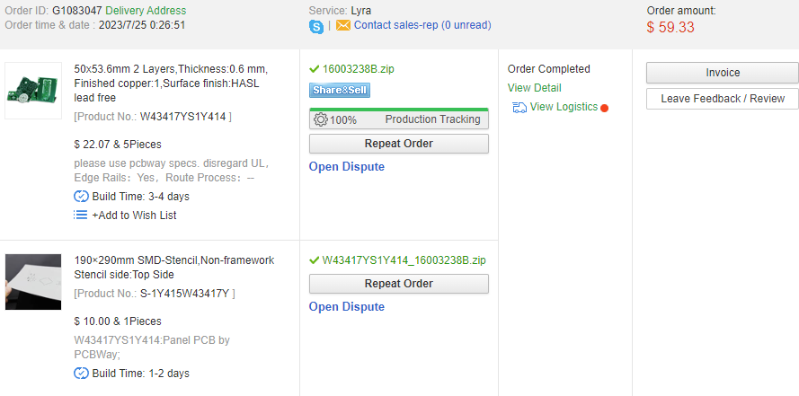
Compact Design |  | Qty | Price | Weight [g] | Alternative Components
 | Arduino Nano | 1 | $3.98 | 7 | Arduino Pro Mini | 1.35
 | LTR 303 Color sensor | 1 | $4.50 | 1.9
 | AAA | 3 | - | 34.5
 | Oled Display |  | $2.80 | 5.8
 | Led Indicator | 1 |  | -
 | Button | 1 |  | -
 | Power Toggle Switch | 1 |  | -
 | 3D Printed Body | 1 |  | 48
 | PCB | 1 | $4.40
 | Total |  | $15.68 | 97.2

Stethoscope Design | Arduino Nano | 1 | $3.98 | 7
 | LTR 303 Color sensor | 1 | $4.50 | 1.9
 | AAA | 3 | - | 34.5
 | Oled Display |  | $2.80 | 5.8
 | Led Indicator | 1 |  | -
 | Button | 1 |  | -
 | Power Toggle Switch | 1 |  | -
 | 3D Printed Body | 2 |  | 48
 | PCB | 2 | $7.50
 | JST Cable | 1 | $4.75
 | Total |  | $23.53 | 97.2

